Sheet1
Application# | Status | Reevaluation | Reevaluation2 | Applicant/Company Name | Applicant/Company Email | Agent Name | Association | Bay System | Acreage | Corner Coordinates | Comments | Modified Coordinates | New acreage

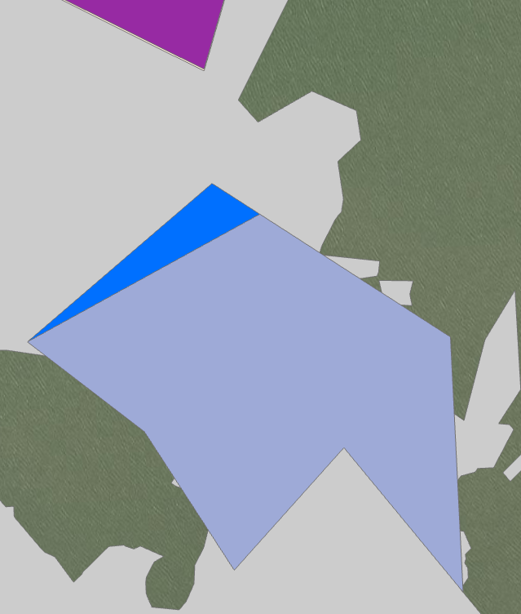

7 | Boundary Modification |  | NC | Sassy Lady, Inc. | justinwoody2@gmail.com | Britney Underwood | Jeri's Seafood | Galveston Bay | 99.6 | 29.47568, -94.70283 29.47257, -94.69783 29.46775, -94.69782 29.47058, -94.70025 29.46837, -94.70275 29.47106, -94.70455 29.47286, -94.70699 | Modify boundary to avoid O&G location. TPWD restoration locations (≈607') | 29.47505, -94.70182 29.47257, -94.69783 29.46775, -94.69782 29.47058, -94.70025 29.46837, -94.70275 29.47106, -94.70455 29.47286, -94.70699 | 92.34

App 7
 | Dark blue = original application coordinates
 | Light blue = modified coordinates
 | Purple = TPWD restoration area

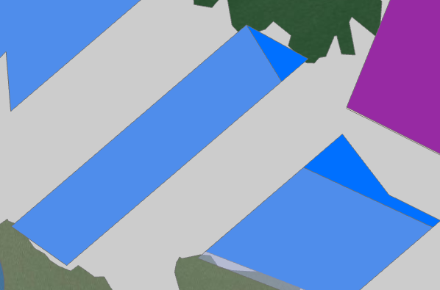

App 16
16 | Decline | Boundary modification | NC | Justin Woody | justinwoody2@gmail.com |  | Jeri's Seafood | Galveston Bay | 99.07 | 29.48726, -94.71944 29.48579, -94.71671 29.47804, -94.72813 29.4797, -94.73056 | TPWD restoration reef SL20200039 (≈870') | 29.48726, -94.71944 29.48493, -94.71796 29.47804, -94.72813 29.4797, -94.73056 | 93.76

 | Dark blue = original application coordinates
 | Blue gray = modified coordinates
 | Purple = TPWD restoration area

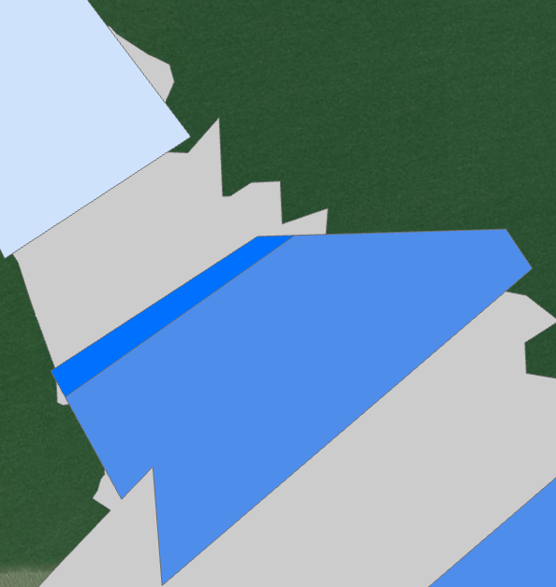

26 | Decline | Boundary modification | NC | Nightmare, Inc. | justinwoody2@gmail.com | Britney Underwood | Jeri's Seafood | Galveston Bay | 99.24 | 29.49115, -94.72778 29.49106, -94.72209 29.49025, -94.72153 29.48427, -94.73034 29.48665, -94.73042 29.48603, -94.73117 29.48866, -94.73265 | TPWD restoration reef SL20200056 (≈870') | 29.49113, -94.72691 29.49106, -94.72209 29.49025, -94.72153 29.48427, -94.73034 29.48665, -94.73042 29.48603, -94.73117 29.48811, -94.73234 | 91.22
App 26

 | Dark blue = original application coordinates
 | Blue gray = modified coordinates
 | Light blue = TPWD restoration area

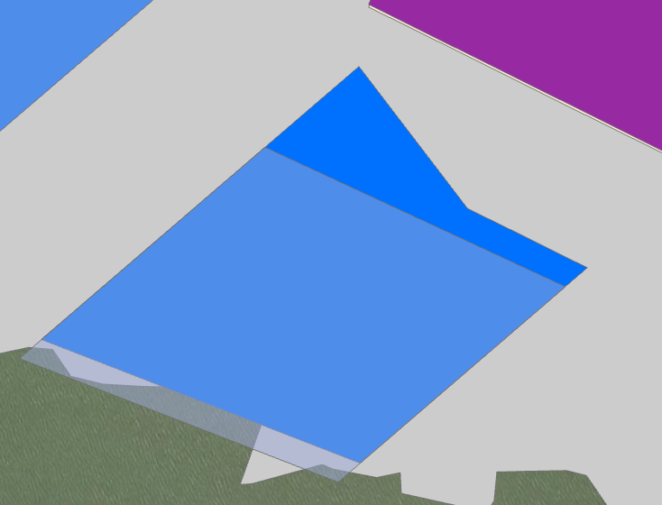

27 | Accept | Boundary Modification | NC | Nightmare, Inc. | justinwoody2@gmail.com | Britney Underwood | Jeri's Seafood | Galveston Bay | 91.71 | 29.48274, -94.71532 29.48023, -94.71333 29.47912, -94.71104 29.47597, -94.71567 29.47834, -94.72179 | TPWD restoration reef SL20200039 (≈370') | 29.48143, -94.72222 29.47565, -94.71611 29.47880, -94.71148 29.48143, -94.71722 | 84

App 27
 | Dark blue = original application coordinates
 | Blue gray = modified coordinates
 | Purple = TPWD restoration area

Sheet2
Application# | Status | Reevaluation | Reevaluation2 | Applicant/Company Name | Applicant/Company Email | Agent Name | Association | Bay System | Acreage | Corner Coordinates | Comments | Modified Coordinates | New acreage
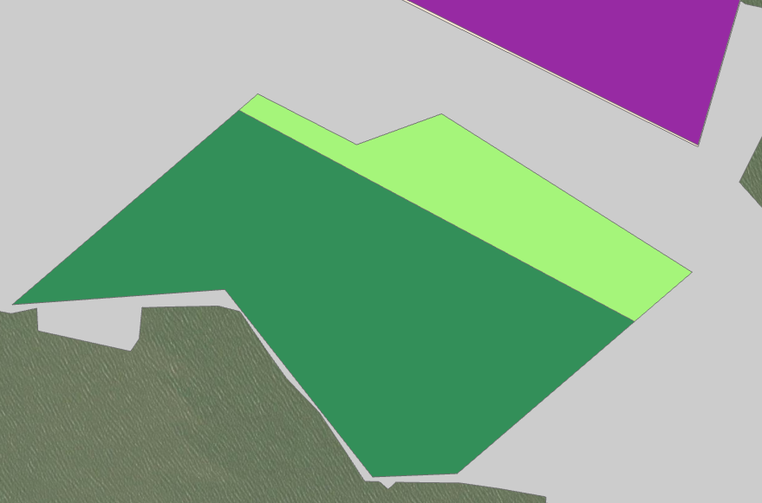
94 | Decline | Boundary Modification | NC | Jurisich & Sons, Inc. | usseaproductsinc@gmail.com | John Jurisich | US Sea Products, Inc. | Galveston Bay | 95.57 | 29.47287, -94.70749 29.47288, -94.70901 29.47593, -94.71150 29.47585, -94.71533 29.47897, -94.71074 29.47810, -94.70901 29.47852, -94.70746 29.47585, -94.70310 | Modify boundary to avoid O&G location. restoration site buffer TPWD SL20260056 (≈510') | 29.47287, -94.70749 29.47288, -94.70901 29.47593, -94.71150 29.47585, -94.71533 29.47872, -94.71108 29.47511, -94.70416 | 73.43
App 94

 | Light green = original application cooridnates
 | Dark green = modified coordinates
 | Purple = TPWD restoration area

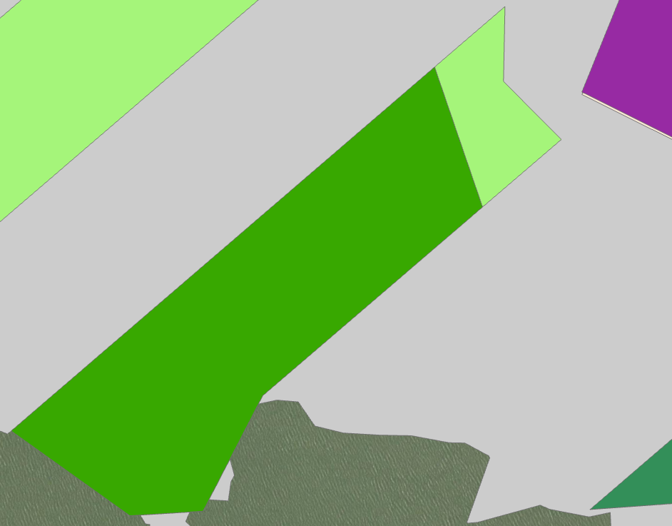
109 | Boundary Modification | Boundary Modification | NC | Capt. Johny Jurisich, LP | usseaproductsinc@gmail.com | John Jurisich | US Sea Products, Inc. | Galveston Bay | 95.15 | 29.48549, -94.71666 29.48407, -94.71677 29.48291, -94.71557 29.47831, -94.72235 29.47617, -94.72377 29.47615, -94.72537 29.47787, -94.72787 | TPWD restoration reef SL20200039 (≈400'+) | 29.48483, -94.71825 29.48169, -94.71735 29.47831, -94.72235 29.47617, -94.72377 29.47615, -94.72537 29.47787, -94.72787 | 82.87

App 109
 | Light green = original application cooridnates
 | Dark green = modified coordinates
 | Purple = TPWD restoration area

